Design
General Information
 | Title | Major Monthly Activity Report - UMAR
 | Developer | Lavonne Johnson
 | End Users | Coornidators and Planners/Schedulers

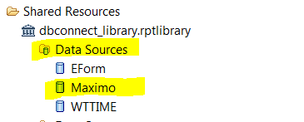
Report Design Details
 | Data Sources

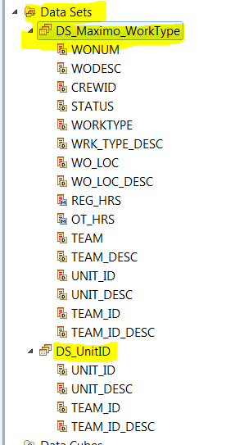
 | Data Sets

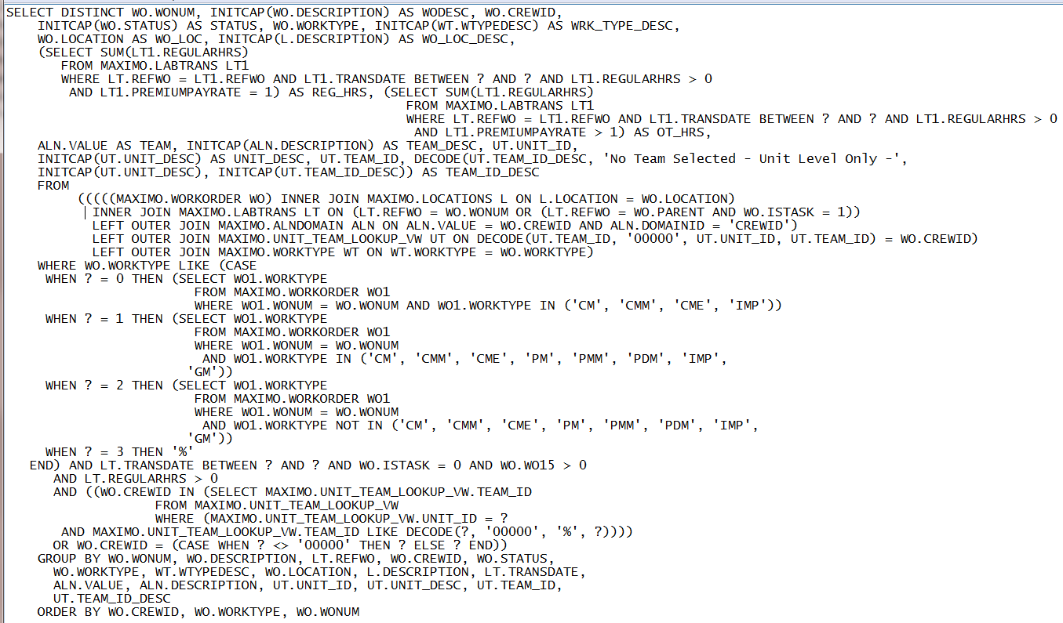

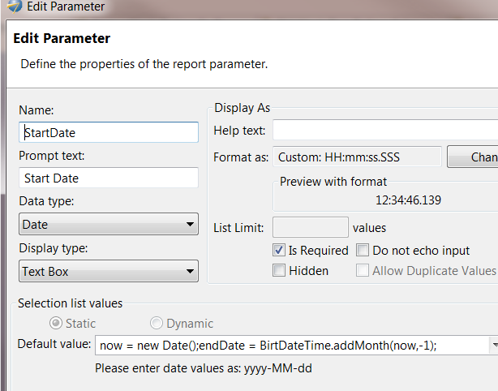
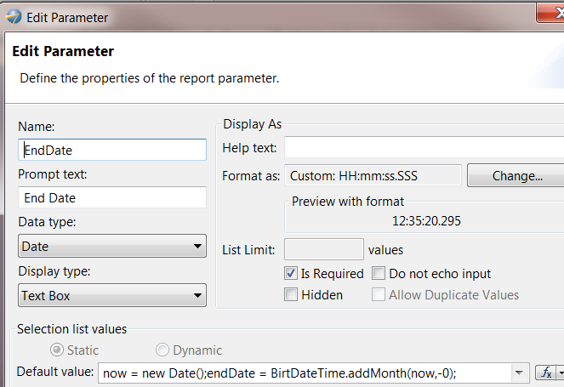
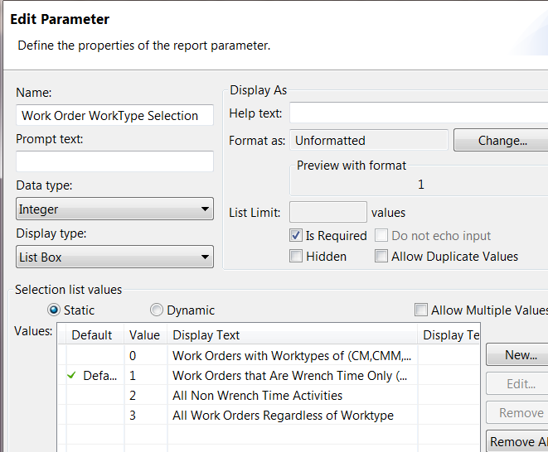
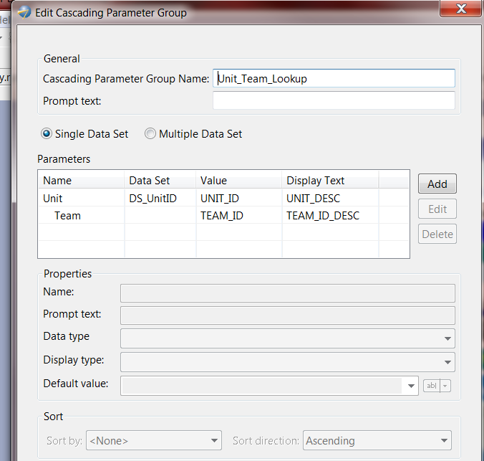
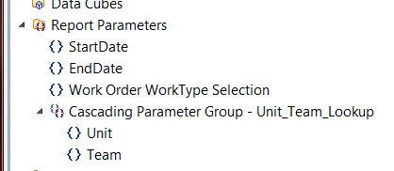
 | Parameters

 | Master Page | dbconnection_library/Master Pages/LandscapeMasterPage

 | Themes | Table Header: dbconnection_library/theme/header_level_1
 |  | Table Detailed lines: dbconnection_library/theme/highlights

 | Aggregation | Table Footer: Reg_Hours, OT_Hours

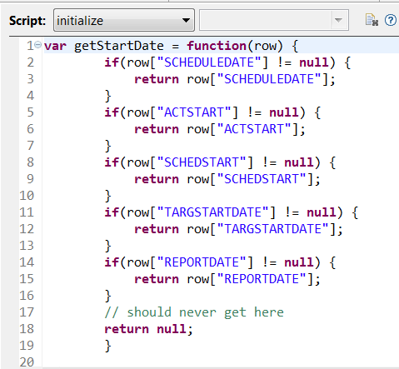
 | Script:

